Sheet1
Average Inflammotin Level Compared to Dose (Human)
 |  | Human Study |  |  | Amount of inflammotin
Subject | LPS Dose | Inflammotin (pg/ml) | Age |  | 0mg LPS | 5mg LPS | 10mg LPS | 15mg LPS |  |  | Average (pg/ml)
 | 0mg | 5.23 | 72 |  | 5.23 | 10.72 | 100.19 | 793.17 |  | 0mg LPS | 5.23
2 | 0mg | 5.23 | 60 |  | 5.23 | 10.72 | 75.92 | 476.67 |  | 5mg LPS | 10.72
3 | 0mg | 5.23 | 65 |  | 5.23 | 10.72 | 23.46 | 771.45 |  | 10mg LPS | 61.622
4 | 0mg | 5.23 | 62 |  | 5.23 | 10.72 | 70.87 | 795.09 |  | 15mg LPS | 657.941
5 | 0mg | 5.23 | 66 |  | 5.23 | 10.72 | 19.27 | 181.27
6 | 0mg | 5.23 | 63 |  | 5.23 | 10.72 | 99.65 | 752.78
7 | 0mg | 5.23 | 73 |  | 5.23 | 10.72 | 38.37 | 934.23
8 | 0mg | 5.23 | 71 |  | 5.23 | 10.72 | 76.26 | 554.87
9 | 0mg | 5.23 | 68 |  | 5.23 | 10.72 | 35.25 | 692.23
10 | 0mg | 5.23 | 67 |  | 5.23 | 10.72 | 76.98 | 627.65
11 | 5mg | 10.72 | 73 | Average (pg/ml): | 5.23 | 10.72 | 61.622 | 657.941
12 | 5mg | 10.72 | 69 | Standard Deviation | 9.3622225829E-16 | 0 | 30.110693855 | 212.94297622
Average Inflammotin Level Compared to Dose (Rat)
13 | 5mg | 10.72 | 67 | Count | 10 | 10 | 10 | 10
14 | 5mg | 10.72 | 74 | Standard Error | 2.9605947323E-16 | 0 | 9.5218374511 | 67.338481659 | 82 | 100.19 | 81 | 793.17
15 | 5mg | 10.72 | 66 | ANOVA |  |  |  |  | 65 | 75.92 | 62 | 476.67
16 | 5mg | 10.72 | 65 |  |  |  |  |  | 60 | 23.46 | 66 | 771.45
17 | 5mg | 10.72 | 68 |  |  |  |  |  | 68 | 70.87 | 76 | 795.09
18 | 5mg | 10.72 | 60 |  | 0mg LPS | 10mg LPS |  |  | 61 | 19.27 | 60 | 181.27
19 | 5mg | 10.72 | 70 |  | 9.24 | 22.34 |  |  | 82 | 99.65 | 65 | 752.78
20 | 5mg | 10.72 | 69 |  | 8.76 | 6.45 |  |  | 67 | 38.37 | 78 | 934.23
21 | 10mg | 100.19 | 82 |  | 8.78 | 14.23 |  |  | 67 | 76.26 | 63 | 554.87
22 | 10mg | 75.92 | 65 |  | 13.5 | 3.55 |  |  | 60 | 35.25 | 65 | 692.23
23 | 10mg | 23.46 | 60 |  | 12.3 | 8.99 |  |  | 68 | 76.98 | 63 | 627.65
24 | 10mg | 70.87 | 68 | Average (pg/ml): | 10.516 | 11.112
25 | 10mg | 19.27 | 61 | Standard Deviation | 2.225551617 | 7.4028859237
26 | 10mg | 99.65 | 82 | Count | 5 | 5
LPS dose compared to age (Human)
27 | 10mg | 38.37 | 67 | Standard Error | 0.99529694062 | 3.310671231
28 | 10mg | 76.26 | 67 | T.Test | 0.86740349734
29 | 10mg | 35.25 | 60 | Reliability | not very
30 | 10mg | 76.98 | 68
31 | 15mg | 793.17 | 81
32 | 15mg | 476.67 | 62
33 | 15mg | 771.45 | 66 |  |  |  |  | 0 | 5 | 10 | 15
34 | 15mg | 795.09 | 76 |  | Average (pg/ml) |  |  | 5.23 | 10.72 | 100.19 | 793.17
35 | 15mg | 181.27 | 60 | 0mg LPS | 10.516 |  |  | 5.23 | 10.72 | 75.92 | 476.67
36 | 15mg | 752.78 | 65 | 10mg LPS | 11.112 |  |  | 5.23 | 10.72 | 23.46 | 771.45
37 | 15mg | 934.23 | 78 |  |  |  |  | 5.23 | 10.72 | 70.87 | 795.09
38 | 15mg | 554.87 | 63 |  |  |  |  | 5.23 | 10.72 | 19.27 | 181.27
39 | 15mg | 692.23 | 65 |  |  |  |  | 5.23 | 10.72 | 99.65 | 752.78
40 | 15mg | 627.65 | 63 |  |  |  |  | 5.23 | 10.72 | 38.37 | 934.23
 |  |  |  |  |  |  |  | 5.23 | 10.72 | 76.26 | 554.87
 |  | Rat Study |  |  |  |  |  | 5.23 | 10.72 | 35.25 | 692.23
Rat | LPS Dose | Inflammotin (pg/ml) |  |  |  |  |  | 5.23 | 10.72 | 76.98 | 627.65
1 | 0mg | 9.24 |  |  |  |  |  | 0,5 | 0,10 | 0,15 | 5,10 | 5,15 | 10,15
2 | 0mg | 8.76 |  |  |  |  |  | 5.4732677711E-283 | 1.3216747562E-05 | 1.43998817E-08 | 4.419500954E-05 | 1.6376573222E-08 | 6.4824009433E-08
3 | 0mg | 8.78
4 | 0mg | 13.5
5 | 0mg | 12.3 |  |  |  |  |  | 0.0083333333333
6 | 10mg | 22.34 |  |  |  |  |  | post hoc test | t test vaule | corrected p-value | significant
7 | 10mg | 6.45 |  |  |  |  |  | 0,5 | 5.47E-283 | 0.0083333333333 | yes
8 | 10mg | 14.23 |  |  |  |  |  | 0,10 | 1.32E-05 | 0.0083333333333 | yes
9 | 10mg | 3.55 |  |  |  |  |  | 0,15 | 1.44E-08 | 0.0083333333333 | yes
10 | 10mg | 8.99 |  |  |  |  |  | 5,10 | 4.42E-05 | 0.0083333333333 | yes
 |  |  |  |  |  |  |  | 5,15 | 1.64E-08 | 0.0083333333333 | yes
 |  |  |  |  |  |  |  | 10,15 | 6.48E-08 | 0.0083333333333 | yes

Sheet4
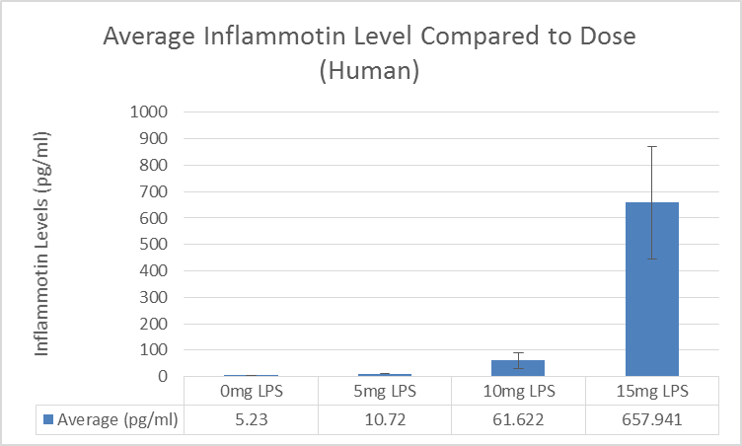
Human Clinical Trial |  |  |  |  |  |  |  | Anova: Single Factor
 | Amount of inflammotin
 | 0mg LPS | 5mg LPS | 10mg LPS | 15mg LPS |  |  | Average (pg/ml) | SUMMARY |  |  |  |  |  |  | Post Hoc Test (Bonferroni test) | T. Test Value | Corrected P-Value | Significant?
 | 5.23 | 10.72 | 100.19 | 793.17 |  | 0mg LPS | 5.23 | Groups | Count | Sum | Average | Variance |  |  | 0mg LPS vs. 5mg LPS | 5.4733E-283 | 0.0083333333333 | yes
 | 5.23 | 10.72 | 75.92 | 476.67 |  | 5mg LPS | 10.72 | Column 1 | 10 | 52.3 | 5.23 | 8.7651211691E-31 |  |  | 0mg LPS vs 10mg LPS | 1.32167E-05 | 0.0083333333333 | yes
 | 5.23 | 10.72 | 23.46 | 771.45 |  | 10mg LPS | 61.622 | Column 2 | 10 | 107.2 | 10.72 | 0 |  |  | 0mg LPS vs 15mg LPS | 1.43999E-08 | 0.0083333333333 | yes
 | 5.23 | 10.72 | 70.87 | 795.09 |  | 15mg LPS | 657.941 | Column 3 | 10 | 616.22 | 61.622 | 906.65388444 |  |  | 5mg LPS vs 10mg LPS | 0.000044195 | 0.0083333333333 | yes
 | 5.23 | 10.72 | 19.27 | 181.27 |  |  |  | Column 4 | 10 | 6579.41 | 657.941 | 45344.711121 |  |  | 5mg LPS vs 15mg LPS | 1.63766E-08 | 0.0083333333333 | yes
 | 5.23 | 10.72 | 99.65 | 752.78 |  |  |  |  |  |  |  |  |  |  | 10mg LPS vs 15mg LPS | 6.4828E-08 | 0.0083333333333 | yes
 | 5.23 | 10.72 | 38.37 | 934.23
 | 5.23 | 10.72 | 76.26 | 554.87 |  |  |  | ANOVA
 | 5.23 | 10.72 | 35.25 | 692.23 |  |  |  | Source of Variation | SS | df | MS | F | P-value | F crit
 | 5.23 | 10.72 | 76.98 | 627.65 |  |  |  | Between Groups | 3015810.5837 | 3 | 1005270.1946 | 86.939721191 | 1.482716665E-16 | 2.8662655509
Average (pg/ml): | 5.23 | 10.72 | 61.622 | 657.941 |  |  |  | Within Groups | 416262.28505 | 36 | 11562.841251
Standard Deviation | 9.3622225829E-16 | 0 | 30.110693855 | 212.94297622
Count | 10 | 10 | 10 | 10 |  |  |  | Total | 3432072.8688 | 39
Standard Error | 2.9605947323E-16 | 0 | 9.5218374511 | 67.338481659
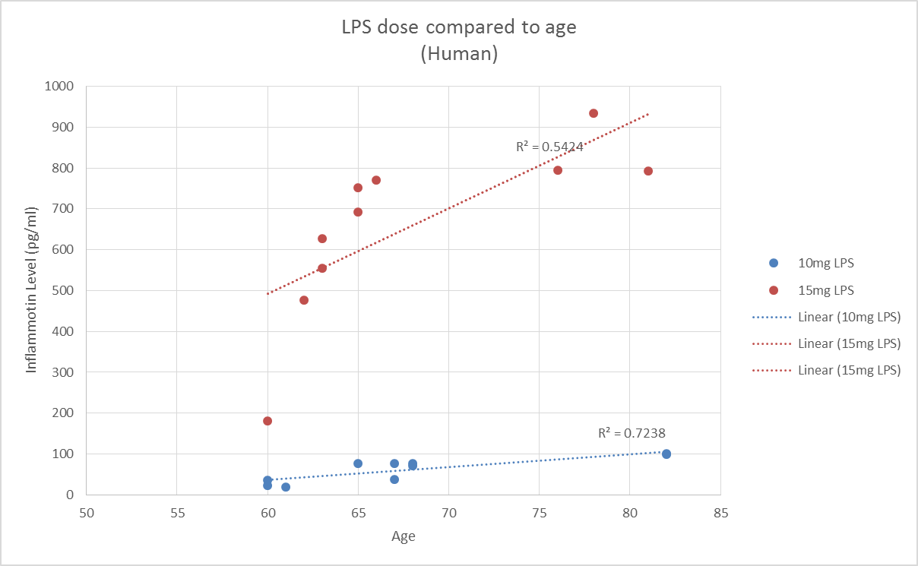
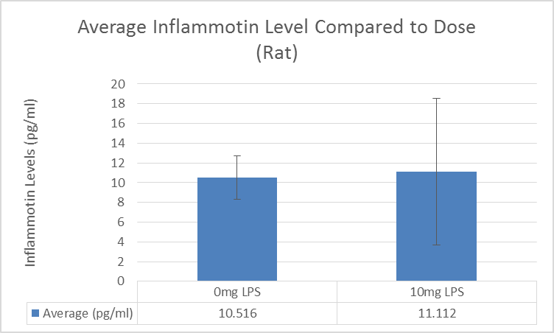
Rat Trial
 | 0mg LPS | 10mg LPS
 | 9.24 | 22.34 |  |  | Average (pg/ml)
 | 8.76 | 6.45 |  | 0mg LPS | 10.516
 | 8.78 | 14.23 |  | 10mg LPS | 11.112
 | 13.5 | 3.55
 | 12.3 | 8.99
Average (pg/ml): | 10.516 | 11.112
Standard Deviation | 2.225551617 | 7.4028859237
Count | 5 | 5
Standard Error | 0.99529694062 | 3.310671231
T.Test | 0.86740349734
Reliability: | Nothing can be concluded

